Sheet1
Look back | Batch size | LSTM | Optimizer | Optimizer Learning Rate | Accuracy | Loss
360 | 64 | features = ['Close', 'LogReturns', 'AdrActCnt', 'S2F_365_Price'] model.add(LSTM(50, input_shape=(lookback,X.shape[1]), return_sequences=True, activation='relu')) model.add(Dropout(0.5)) model.add(Dense(1, activation='sigmoid')) # output layer | SGD | 0.05 | 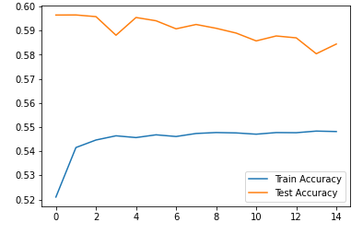 | 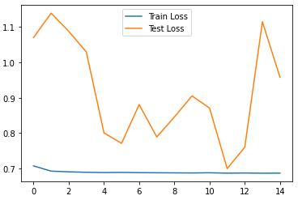
360 | 64 | features = ['Close', 'LogReturns', 'AdrActCnt', 'S2F_365_Price'] model.add(LSTM(50, input_shape=(lookback,X.shape[1]), return_sequences=True, activation='relu')) model.add(Dropout(0.5)) model.add(Dense(1, activation='sigmoid')) # output layer | SGD | 0.1 | 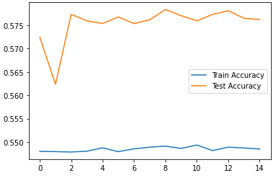 | 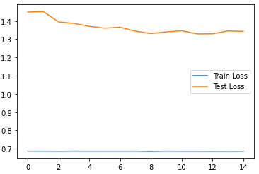
360 | 64 | features = ['Close', 'LogReturns', 'AdrActCnt', 'S2F_365_Price'] model.add(LSTM(50, input_shape=(lookback,X.shape[1]), return_sequences=True, activation='relu')) model.add(Dropout(0.5)) model.add(Dense(1, activation='sigmoid')) # output layer | SGD | 0.2 | 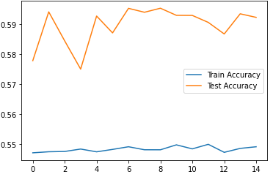 | 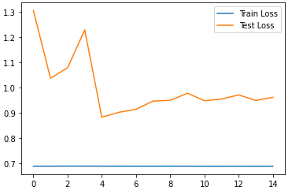
360 | 64 | features = ['Close', 'LogReturns', 'AdrActCnt', 'S2F_365_Price'] model.add(LSTM(50, input_shape=(lookback,X.shape[1]), return_sequences=True, activation='relu')) model.add(Dropout(0.5)) model.add(Dense(1, activation='sigmoid')) # output layer | SGD | 0.2 | 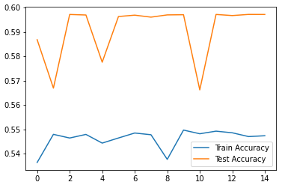 | 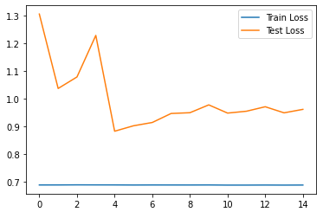
360 | 32 | model = Sequential() model.add(LSTM(50, input_shape=(lookback,X.shape[1]), return_sequences=True, activation='relu')) model.add(Dropout(0.5)) model.add(Dense(50, activation='relu')) model.add(Dense(1, activation='sigmoid')) # output layer | SGD | 0.1 | 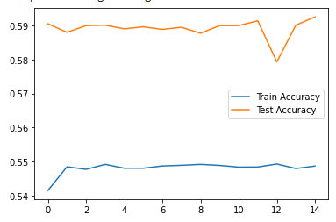 | 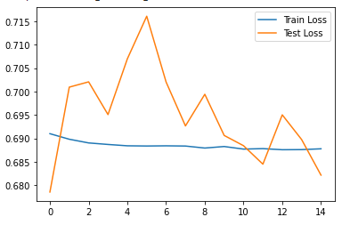
360 | 32 | features = ['TxTfrValAdjUSD', 'IssContUSD', 'HashRate', 'AdrActCnt', 'S2F_1', 'LogClose', 'LogReturns'] model = Sequential() model.add(LSTM(120, input_shape=(lookback,X.shape[1]), return_sequences=True, activation='relu')) model.add(Dropout(0.5)) model.add(LSTM(120, activation='relu')) model.add(Dense(1, activation='sigmoid')) | Adam |  | 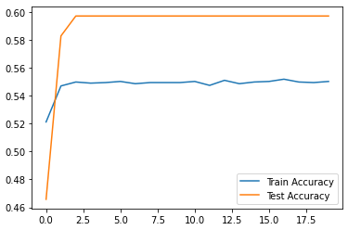 | 